DASHBOARD
Multi-Dimensional Indicators Report for South Asian Association for Regional Co-operation
Cooperation

Maternal mortality ratio
 | Total
2015 | 127.67558
2016 | 121.16907
2017 | 118.66109
2018 | 115.7112
2019 | 116.38938
2020 | 102.65391
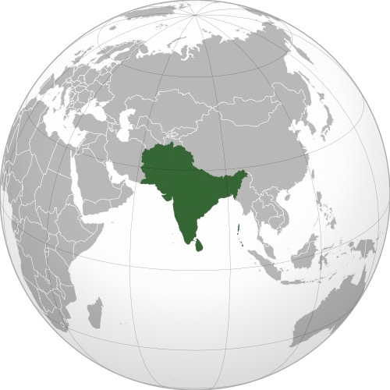
Carbon dioxide emissions from fuel combustion (millions of tonnes)
 | Total
2015 | 2036.12
2016 | 2067.83
2017 | 2184.8
2018 | 2316.5
2019 | 2277.63
2020 | 2074.96



Proportion of population below international poverty line (%)
 | Total
2015 | 18.7
2016 | 18.1
2017 | 13.4
2018 | 11.1
2019 | 10

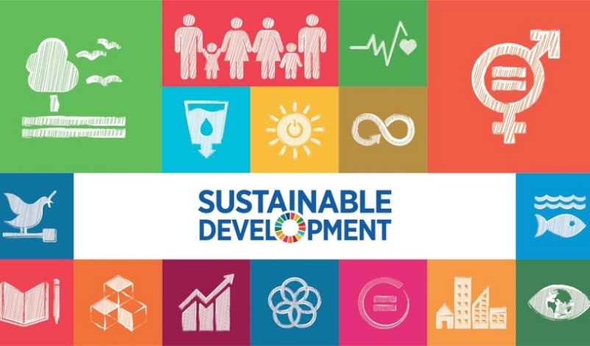
Proportion of population with access to electricity, by urban/rural (%)
 | Total
2015 | 88
2016 | 89.6
2017 | 91.8
2018 | 95.7
2019 | 95.9
2020 | 96.5
2021 | 99.6

Prevalence of undernourishment (%)
 | Total
2015 | 199.9
2016 | 194.6
2017 | 187.2
2018 | 192.5
2019 | 214.1
2020 | 238
2021 | 250.5
2022 | 0

1.1.1pt
GeoAreaName | India

Row Labels | Sum of Value
2015 | 18.7
2016 | 18.1
2017 | 13.4
2018 | 11.1
2019 | 10
Grand Total | 71.3

Proportion of population below international poverty line (%)

2.1.1pt
GeoAreaName | India

Row Labels | Sum of Value
2015 | 199.9
2016 | 194.6
2017 | 187.2
2018 | 192.5
2019 | 214.1
2020 | 238
2021 | 250.5
2022 | 0
Grand Total | 1476.8

Prevalence of undernourishment (%)

3.1.1pt
GeoAreaName | India

Row Labels | Sum of Value
2015 | 127.67558
2016 | 121.16907
2017 | 118.66109
2018 | 115.7112
2019 | 116.38938
2020 | 102.65391
Grand Total | 702.26023

Maternal mortality ratio

7.1.1pt
GeoAreaName | India

Row Labels | Sum of Value
2015 | 88
2016 | 89.6
2017 | 91.8
2018 | 95.7
2019 | 95.9
2020 | 96.5
2021 | 99.6
Grand Total | 657.1

Proportion of population with access to electricity, by urban/rural (%)

9.4.1pt
GeoAreaName | India

Row Labels | Sum of Value
2015 | 2036.12
2016 | 2067.83
2017 | 2184.8
2018 | 2316.5
2019 | 2277.63
2020 | 2074.96
Grand Total | 12957.84

Carbon dioxide emissions from fuel combustion (millions of tonnes)

